WhatToDo
สร้าง Data Model และสร้าง Pivot Table (Power Pivot) จาก Data Model
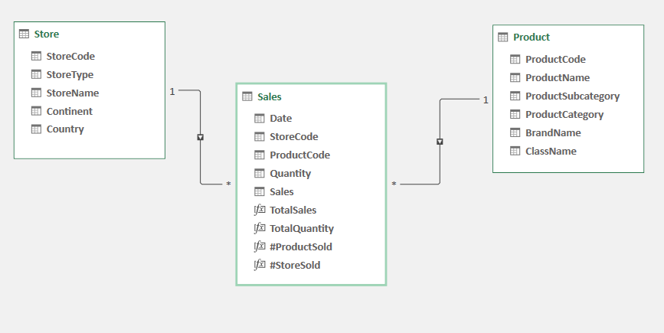
1
2
3

